workflow1
Name | Time per Task (seconds) | Quality (%)
Charlie | 1.5 | 91.4 | Average TPT | 2.12
Indu | 1.6 | 92.9 | Average Quality | 91.325714286
Prajwal | 1.7 | 92.5 | Stdev TPT | 0.76650467172
Vimla | 0.9 | 87 | Stdev Quality | 2.6820035155
Amit | 2.2 | 92.5
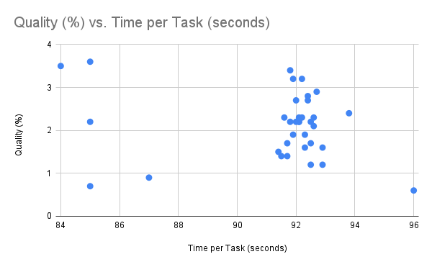
Binny | 0.7 | 85
Pradyut | 2.3 | 91.6
Diwakar | 0.6 | 96
Amrit | 1.2 | 92.9
Debdas | 1.2 | 92.5
Anika | 1.4 | 91.5
Haritha | 1.4 | 91.7
Dhanya | 1.6 | 92.3
Venkat | 1.7 | 91.7
Afzal | 2.2 | 92.1
Prachi | 2.2 | 92.1
Anushka | 2.2 | 85
Firoza | 2.3 | 92.1
Mange | 2.1 | 92.6
Vimal | 2.3 | 92.6
Dipa | 2.3 | 92.2
Anand | 2.4 | 93.8
Gopal | 1.9 | 91.9
Vijay | 1.9 | 92.3
Preetha | 2.2 | 92
Nupur | 2.2 | 91.8
Neha | 3.2 | 92.2
Deepa | 2.7 | 92
Aniket | 3.2 | 91.9
Dhruti | 2.7 | 92.4
Wasim | 3.4 | 91.8
Arohi | 2.9 | 92.7
Vinay | 2.8 | 92.4
Praveen | 3.6 | 85
Biju | 3.5 | 84

workflow2
Name | Time per Task (seconds) | Quality (%)
Anand | 2.1 | 91.8 | Average TPT | 2.12
Amit | 2.5 | 91.7 | Average Quality | 92.057142857
Aniket | 2.2 | 92.1 | Stdev TPT | 0.25298221281
Afzal | 2.3 | 92.6 | Stdev Quality | 0.41108587502
Arohi | 2 | 91.5
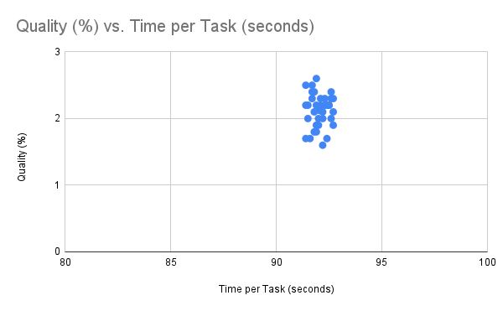
Anika | 1.9 | 91.9
Anushka | 2.3 | 92.7
Amrit | 2.2 | 91.4
Biju | 1.6 | 92.2
Binny | 1.9 | 92
Charlie | 2.3 | 92.3
Dipa | 2.6 | 91.9
Deepa | 2.2 | 92.4
Diwakar | 2.4 | 92.6
Dhruti | 2.3 | 91.7
Dhanya | 2.2 | 92.5
Firoza | 2.4 | 91.8
Gopal | 1.9 | 92.7
Debdas | 2.5 | 91.4
Haritha | 2.2 | 91.9
Indu | 2.2 | 92.5
Mange | 2.1 | 92.2
Nupur | 1.7 | 91.6
Neha | 2.2 | 92.3
Praveen | 2 | 92
Pradyut | 1.8 | 91.8
Prajwal | 1.7 | 92.4
Prachi | 2.3 | 92.1
Preetha | 2.4 | 91.7
Wasim | 2 | 92.6
Vinay | 2.2 | 91.5
Vijay | 1.8 | 91.9
Venkat | 2.1 | 92.7
Vimla | 1.7 | 91.4
Vimal | 2 | 92.2

Sheet1
Time per Task (seconds) | Time per Task (seconds)
1.5 | 2.1
1.6 | 2.5
1.7 | 2.2
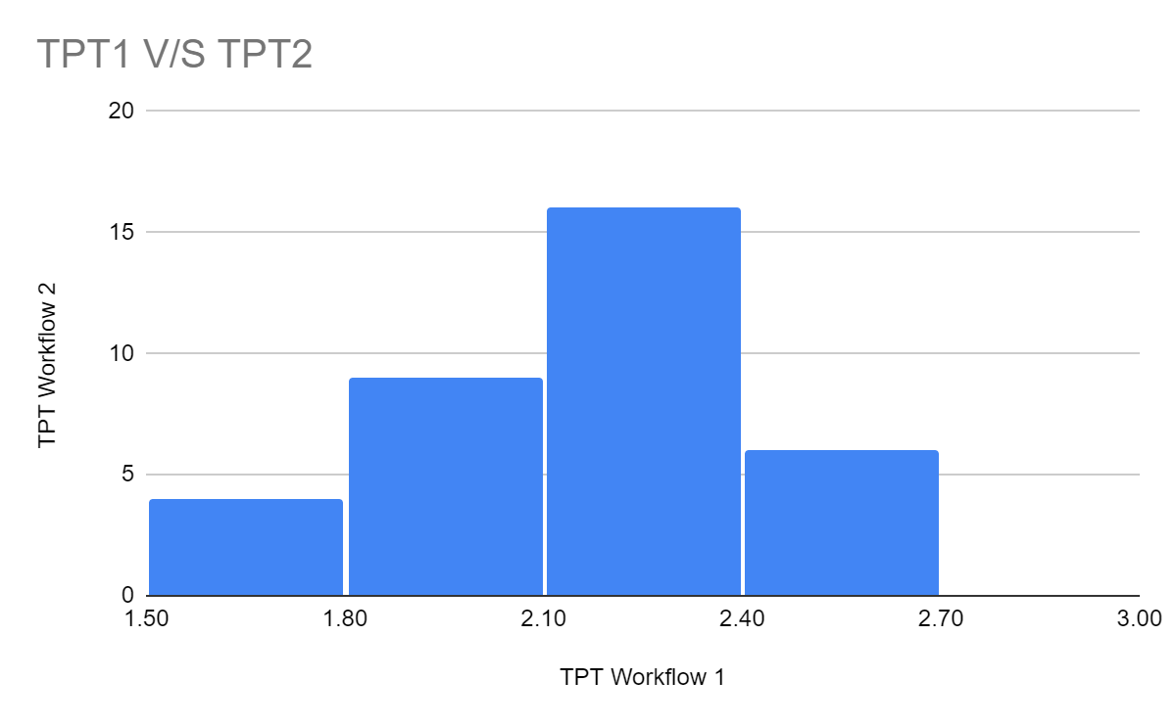
0.9 | 2.3
2.2 | 2
0.7 | 1.9
2.3 | 2.3
0.6 | 2.2
1.2 | 1.6
1.2 | 1.9
1.4 | 2.3
1.4 | 2.6
1.6 | 2.2
1.7 | 2.4
2.2 | 2.3
2.2 | 2.2
2.2 | 2.4
2.3 | 1.9
2.1 | 2.5
2.3 | 2.2
2.3 | 2.2
2.4 | 2.1
1.9 | 1.7
1.9 | 2.2
2.2 | 2
2.2 | 1.8
3.2 | 1.7
2.7 | 2.3
3.2 | 2.4
2.7 | 2
3.4 | 2.2
2.9 | 1.8
2.8 | 2.1
3.6 | 1.7
3.5 | 2

